Location Plan & Summary
Intelligent Data Collection Limited

Client: | Bristol County Council |  | Date of Survey: |  | 09.07.2015
Project Number: | ID02343 |  | Site Name: |  | St Mark's Road
Site Number: | ATC Site 4 |  | Survey Type: |  | Two-way Link Count

X Coordinate |  | Y Coordinate |  | Google Maps Link
51.466788 |  | -2.565279 |  | Click Here
AM Peak Conditions |  | Inter-Peak Conditions |  | PM Peak Conditions
Clear and Sunny |  | Clear and Sunny |  | Clear and Sunny
Junction Layout

N

 |  | Arm A - Lawrence Avenue (W)

 |  |  |  |  |  | Arm B - Albion Road (E)

Arm A - Lawrence Avenue (W)
Aerial Mapping and On-site Camera View
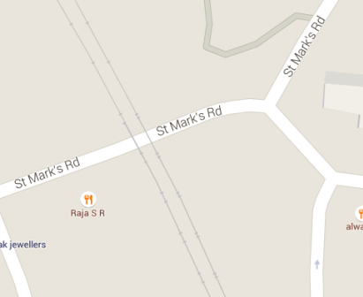
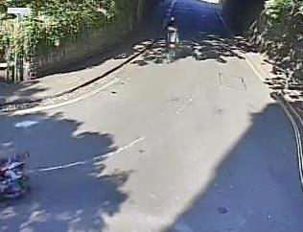

Arm B - Albion Road (E)

Junction Flow Profile
Arm Approach Flows (All Vehicles)
 | A to B (Eastbound) | B to A (Westbound) | Two-way Total
7:00:00 | 8 | 28 | 36
7:15:00 | 11 | 17 | 28
7:30:00 | 11 | 30 | 41
7:45:00 | 10 | 33 | 43
8:00:00 | 15 | 50 | 65
8:15:00 | 14 | 52 | 66
8:30:00 | 22 | 60 | 82
8:45:00 | 17 | 62 | 79
9:00:00 | 24 | 44 | 68
9:15:00 | 20 | 47 | 67
9:30:00 | 15 | 40 | 55
9:45:00 | 15 | 42 | 57
10:00:00 | 24 | 33 | 57
10:15:00 | 12 | 31 | 43
10:30:00 | 13 | 33 | 46
10:45:00 | 22 | 42 | 64
11:00:00 | 13 | 24 | 37
11:15:00 | 15 | 31 | 46
11:30:00 | 21 | 31 | 52
11:45:00 | 20 | 32 | 52
12:00:00 | 41 | 34 | 75
12:15:00 | 27 | 42 | 69
12:30:00 | 32 | 44 | 76
12:45:00 | 25 | 38 | 63
13:00:00 | 31 | 39 | 70
13:15:00 | 26 | 39 | 65
13:30:00 | 31 | 40 | 71
13:45:00 | 29 | 26 | 55
14:00:00 | 27 | 39 | 66
14:15:00 | 23 | 47 | 70
14:30:00 | 21 | 33 | 54
14:45:00 | 16 | 52 | 68
15:00:00 | 23 | 44 | 67
15:15:00 | 31 | 45 | 76
15:30:00 | 40 | 56 | 96
15:45:00 | 41 | 39 | 80
16:00:00 | 38 | 35 | 73
16:15:00 | 33 | 37 | 70
16:30:00 | 36 | 57 | 93
16:45:00 | 47 | 49 | 96
17:00:00 | 39 | 48 | 87
17:15:00 | 54 | 48 | 102
17:30:00 | 61 | 46 | 107
17:45:00 | 51 | 46 | 97
18:00:00 | 47 | 52 | 99
18:15:00 | 31 | 47 | 78
18:30:00 | 43 | 34 | 77
18:45:00 | 29 | 54 | 83

Additional Notes (Factors which may impact on survey results such as accidents, roadworks, special events):

